1. Title Page
[Instacart Data Analysis]

Project Name: Instacart Data Analysis
Date: 10/08/2024
Analyst Name: Nick Esperanza

Contents:
Population Flow
Consistency checks
Wrangling steps
Column derivations
Visualizations
Recommendations

2. Population Flow
Title page

Population flow

Exclusion flag
Condition: max_order < 5
Obervations to be removed: 1,444,295
Final total count of order_products_all: 30,964,564

Orders_products_combined
Orders_products_merged
Orders_products_all

Total: 32,404,858
Total: 32,434,488
Total: 32,404,858

1.) The grey boxes in the first row of the population flow represent the original data sets as they were when you downloaded them. In the Total fields you need to add the count of the rows when you imported the data set into Jupyter.
2.) The second row of boxes (coloured) represents the data sets after you manipulated them, e.g., removed missing values and duplicates. In the Total fields you need to add the count of the rows after conducting these operations. This offers a visual oveview of how the data flows throughout the data consistency checks.
3.) The third row, where also the arrows are coloured, represents the merges you performed between the datasets. In the Total fields you need to add the count of the rows in the merged datasets, so that you end up with the final dataset (in the red box). Keep in mind the final dataset should be without exclusions (based on the exclusion flag).

3. Consistency checks
 |  |  |  | Title page
Consistency checks

Dataset | Missing values | Missing values treatment | Duplicates
orders | 206,209 - Days since prior order | Created new dataframe removing missing values for "repeat customers" | 0
products | 16 - Product Names | Created new dataframe removing missing values | 5
orders_products_prior | None | None | 0
customers | None | None | 0

4. Wrangling steps
 |  |  |  | Title page
Wrangling steps

Columns dropped | Columns renamed | Columns' type changed | Comment/Reason
 |  | Orders- User_ID | data type change
 |  | Orders- Order_ID | data type change
 | Order_hour_of_day -> Hour_of_day_ordered |  | clear definition of column
 | Order _dow -> Orders_days_of_week |  | clear definition of column
Orders Eval Set |  |  | not needed
 |  | Department_ID | creating memory space, int8
 |  | Aisle_Id | creating memory space, int16
 |  | Days_of_week | creating memory space, int8
 |  | Hour_of_day_ordered | creating memory space, int8
 |  | reordred | creating memory space, int16
 |  | product_id | creating memory space, int32

5. Column derivations
 |  |  |  | Title page

Column derivations and aggregations

In this tab you should add tables below that the frequences of flags/label variables that you produced after deriving them. NB: don't do this for continuous variables, only for flags.
Dataset | New column | Column/s it was derived from | Conditions
Ords Prods Merge | price_range | prices | if prices <= 5 then 'low-range product' if prices >5 & <= 15 then 'mid-range product' if prices > 15 then 'high-range product' else 'not enough data'
Ords Prods Merge | Busiest_Days | orders_days_of_week | if value == 0 then 'busiest day' if value == 4 then 'least busy' else 'regularly busy'
Ords Prods Merge | Busiest_period_of_day | hour_of_day | if value == 10 or 11 then 'most orders' if value == 3 or 4 then 'fewest orders' else 'average orders'
Ords Prods Merge | loyalty_flag | max_order | if value > 40 then 'loyal customer' if value <= 40 & > 10 then 'regular customer' if value < 10 then 'new customer'
Ords Prods Merge | spender_flag | spender flag | if value > 10 then 'low spender' if value >= 10 then 'high customer'
Ords Prods Merge | customer_frequency | days_since_prior_order | if value < 20 then 'non_frequent_customer' if value <= 20 & > 10 then 'regular customer' if value > 10 then 'frequent customer'
Updated Customer Data | region | state | def region(row): if row['STATE'] in ['Maine','New Hampshire','Vermont','Massachusetts','Rhode Island','Connecticut','New York','Pennsylvania','New Jersey']: return 'Northeast' elif row['STATE'] in ['Wisconsin','Michigan','Illinois','Indiana','Ohio','North Dakota','South Dakota','Nebraska','Kansas','Minnesota','Iowa','Missouri']: return 'Midwest' elif row['STATE'] in ['Delaware','Maryland','District of Columbia','Virginia','West Virginia','North Carolina','Sout Carolina','Georgia','Florida','Kentucky','Tennessee','Mississippi','Alabama','Oklahoma','Texas','Arkansas','Louisiana']: return 'South' elif row['STATE'] in ['Idaho','Montana','Wyoming','Nevada','Utah','Colorado','Arizona','New Mexico','Alaska','Washington','Oregon','California','Hawaii']: return 'West' else: return 'Missing Data'
Updated Customer Data | relevant_customer | max_order | def relevant_rev(row): if row['max_order'] <5: return 'Remove_Customer_Data' else: return 'Keep_Customer_Data'
Updated Customer Data | income_status | income | def income_profile(row): if row['income'] < 30000 : return 'low income' elif (row['income'] > 30000) and (row['income'] <= 90000): return 'middle income' elif row['income'] > 90000 : return 'high income' else: return 'Not enough data'
Updated Customer Data | age status | age | def age_profile(row): if (row['Age'] >= 18) and (row['Age'] <= 25): return 'young adult' elif (row['Age'] >= 26) and (row['Age'] <= 64): return 'middle aged adult' elif row['Age'] >= 65: return 'elder adult' else: return 'Missing Data'
Updated Customer Data | familial_status | familial_status | def familial_profile(row): if row['Familial_Status'] == 'married' : return 'married' elif row['Familial_Status'] == 'single' : return 'single' else : return 'Missing Data'
Updated Customer Data | dependant_status | dependants | def dependant_profile(row): if row['Dependants'] == 0 : return 'no children' elif row['Dependants'] >= 1: return 'children' else: return 'Missing Data'
Updated Customer Data | pet_status | department_id | def pet_profile(row): if row['department_id'] == 8 : return 'Pet' else: return 'No Pet'

6. Visualizations
 |  | Title page

Visualisations

In this tab you should include all the visualtions from Exercises 4.9 and 4.10, alongside the questions from the project brief that they answer. Include any commentary on the relationship between different variables.

Key Question 1 | Recommendation
What are the busiest days of the week and hours of the day? | Ads and promotions should be promoted during Tuesday and Wednesday between 6-10pm as these are the least busiest times of the week.

Answer
The busiest days of the week are Saturday and Sunday. The busiest hours of the day are between 10am to 3pm.

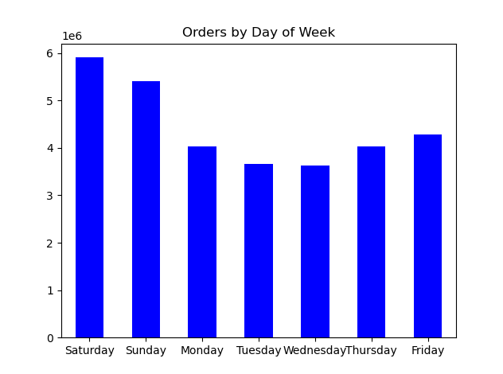
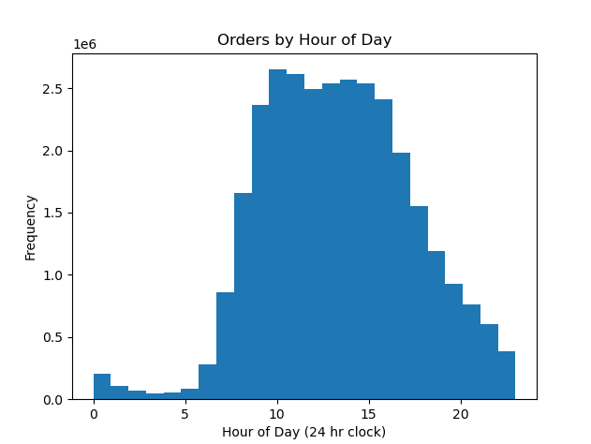

Key Question 2 | Recommendation
What are the particular times of day when people spend the most money? | With customers spending more on weekend mornings, promoting the breakfast department along with breakfast items from other departments such as dairy and eggs, or bakery, would be ideal.
 | Offering discounts on breakfast items to new or first time users would be beneficial as well.
Answer
Based on a random sampling of data, customers tend to spend more money in the morning and on the weekend.

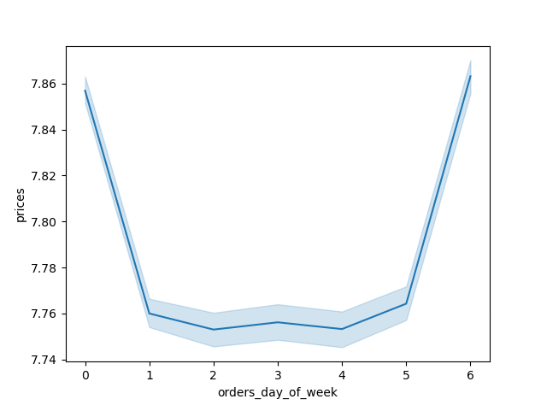
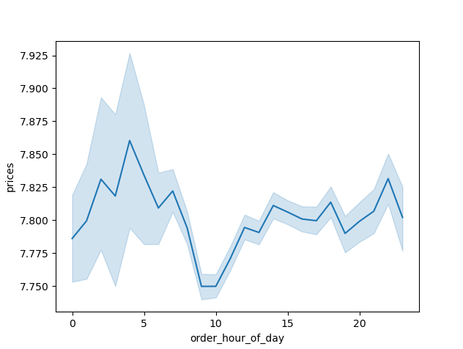

Key Question 3 | Recommendation
Are there certain products that are more popular than others? | Ensuring instacart is available with more stores that contain the top 5 products will bring wider access and potentially draw in new customers.

Answer
The top 5 products customers purchase are: 1. Produce 2. Dairy & Eggs 3. Frozen 4. Beverages 5. Snacks
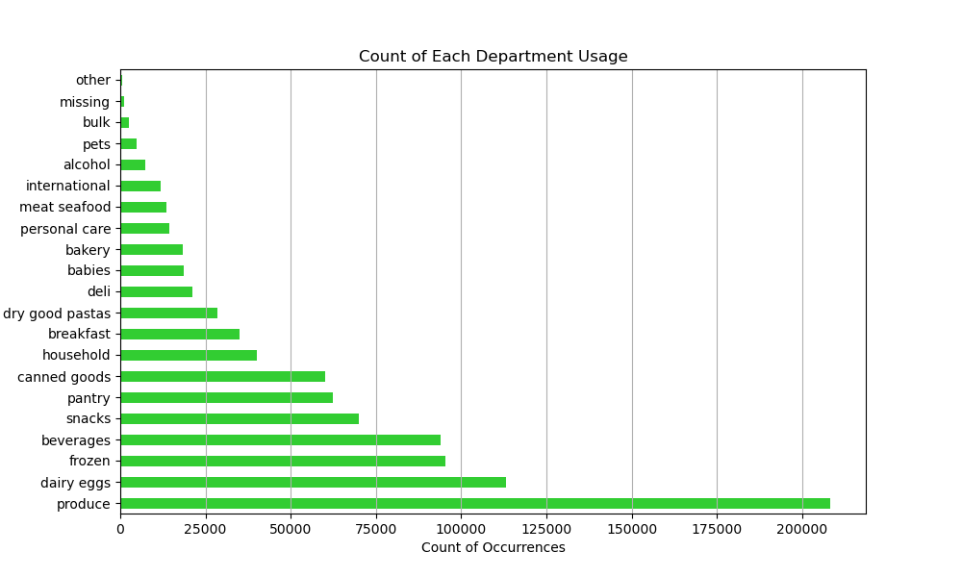

Key Question 4 | Recommendation
What is the distribution among users and loyalty status and how often do they return to Instacart? | With the majority of Instacart's regular customer base being middle to high income earners who are married with children, Instacart can focus on specific marketing strategies and products to these groups.
 | Whether it be the content of the ads, or where these ads are placed, the following graphs provide a clear picture on who uses their services most.
Answer
Majority of users from loyal, regular, and new customers are middle aged adults. Regular customers are mostly high and middle income earners.
Majority of customers across all loyalty groups are mostly married, with regular customers having about 5 times more the amount than single customers.
Majority of customers in all loyalty groups have children, with regular customers far outnumbering the no children group.

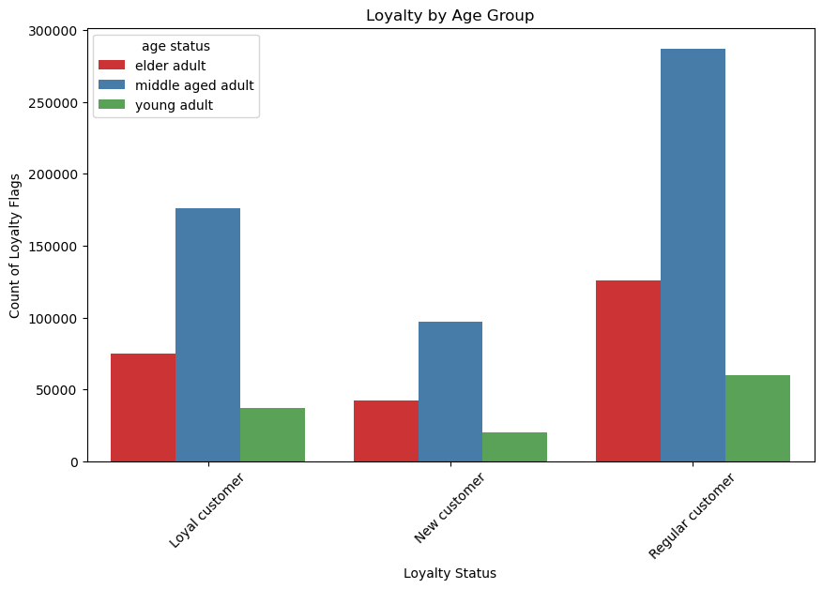
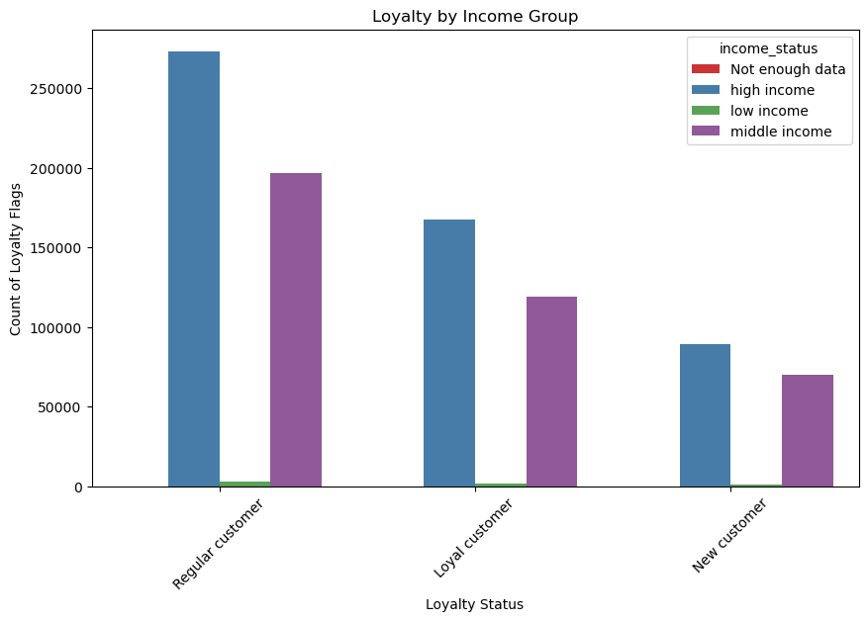

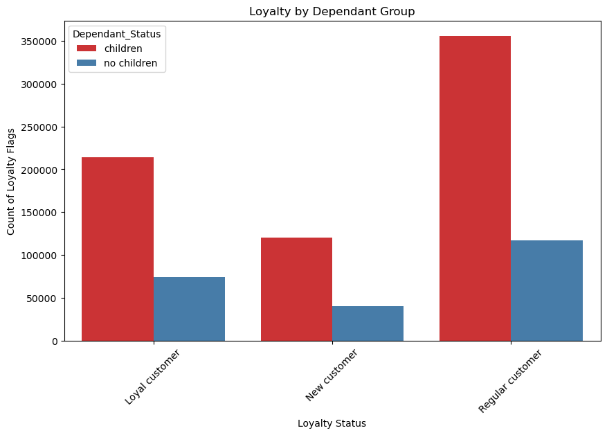
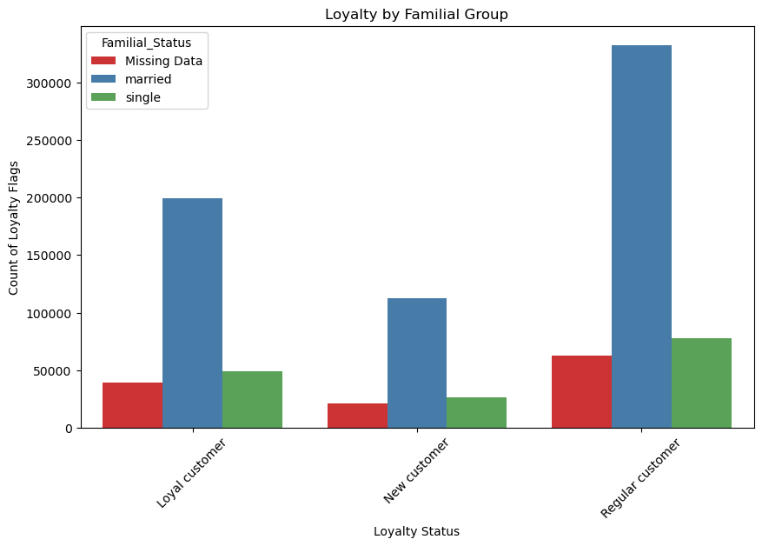

Key Question 5 | Recommendation
Are there differences in ordering habits based on a customer's region? | Low income customers in all regions tend to purchase more bevarages and alcohol in place of produce. Single customers in the Northeast also purchase slightly more bevarages than other regions.
 | Offering more varieties of beverages and alcohol could attract a wider new customer base across regions. We also see more frozen goods being sold in all regions with low income customers.
Answer
While department purchases are fairly the same across the board with produce being the number 1 department, we do see a difference amongst income groups.

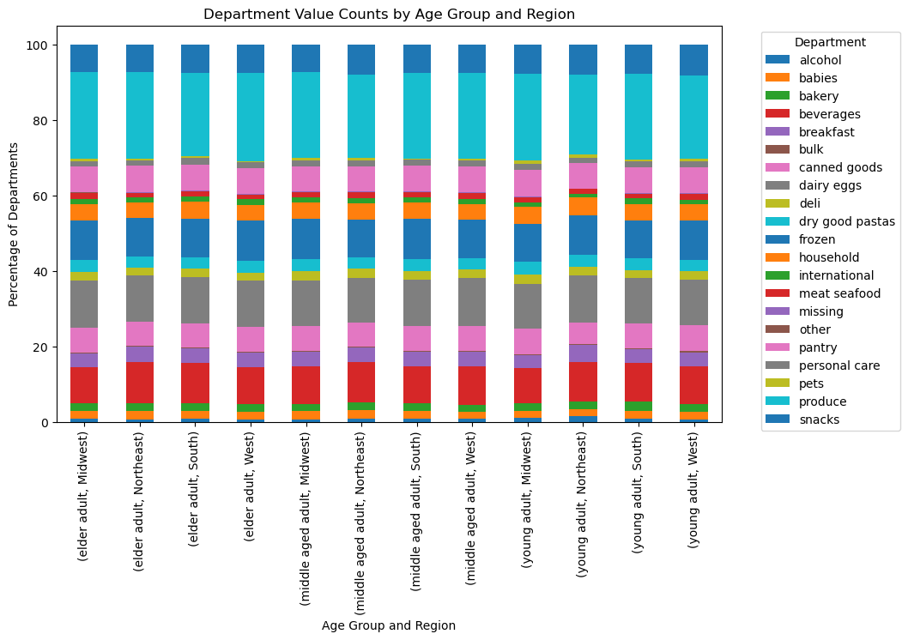
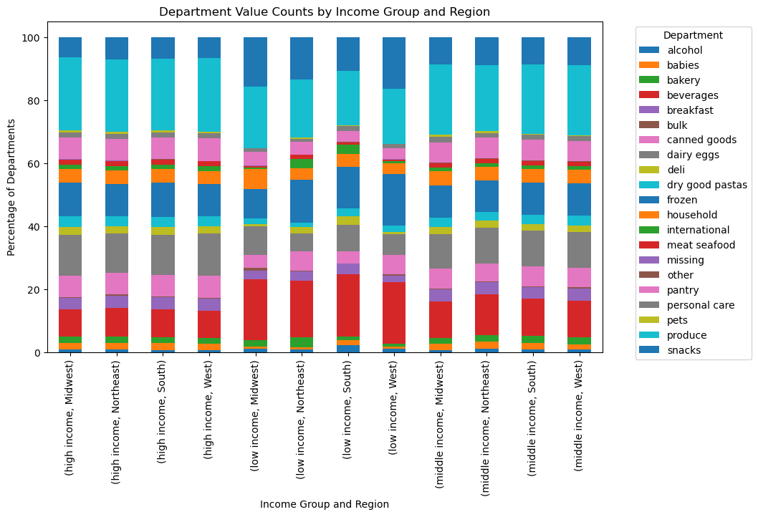

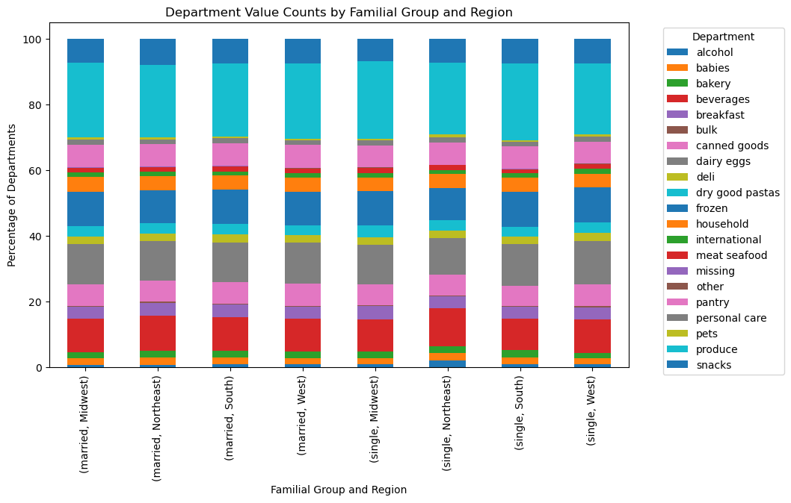
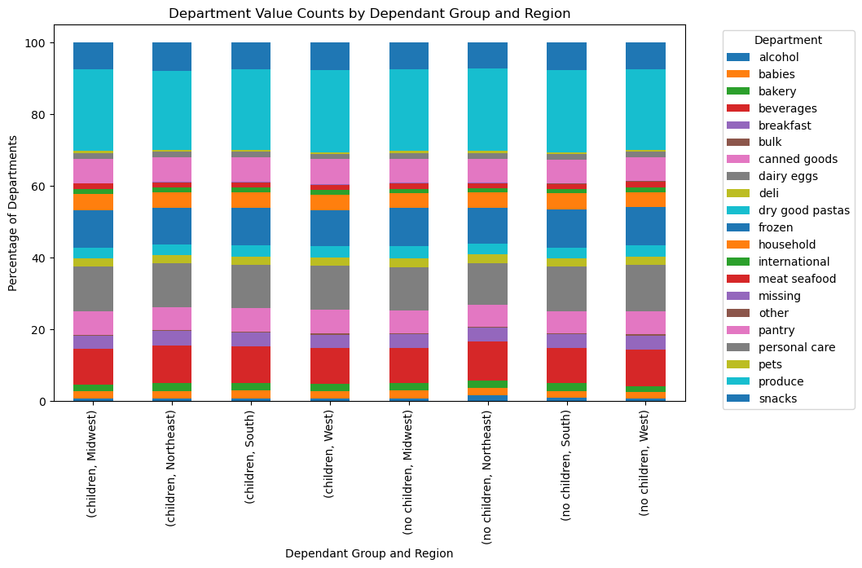

Key Question 6 | Recommendation
What different classifications does the demographic information suggest? | Instacart users primarily use the app as a convenient way to shop for groceries. Middle aged married adults with children typically have busier schedules and and find Instacart very convenient.
 | Perhaps grocery store shopping is seen as inconvenient due to overcrowding, distance from their home, or they would rather simply do something else instead of physically shopping themselves.
Answer
Majority of Instacart users are high and middle income middle aged, married adults, with children. Majority of purchases are for produce.

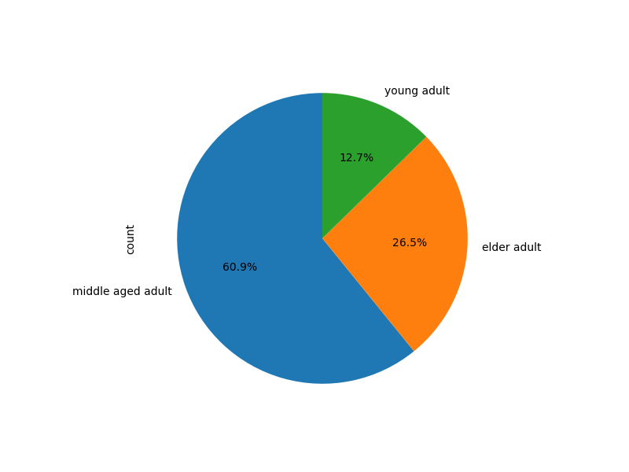
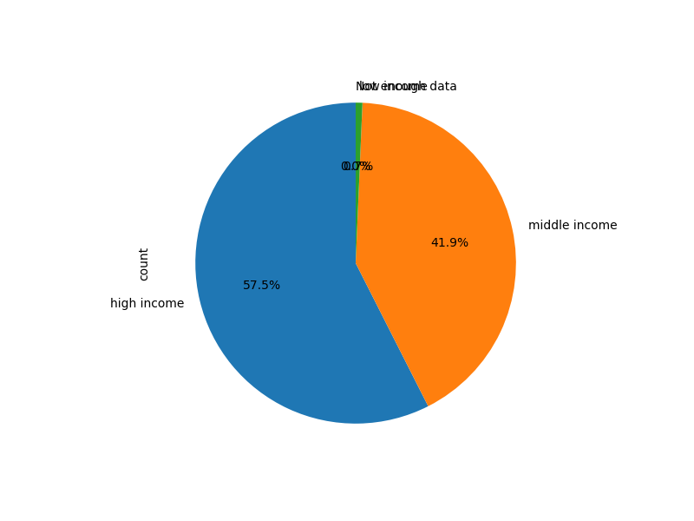

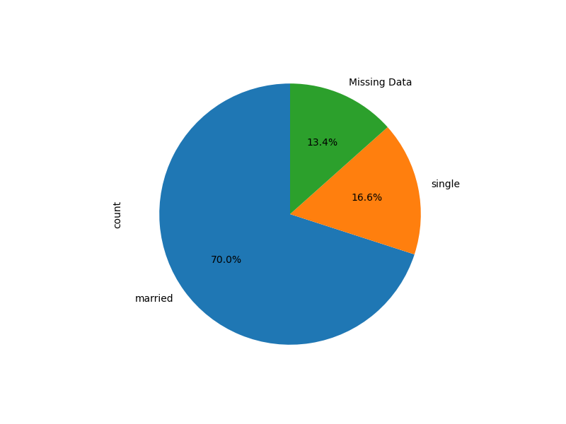
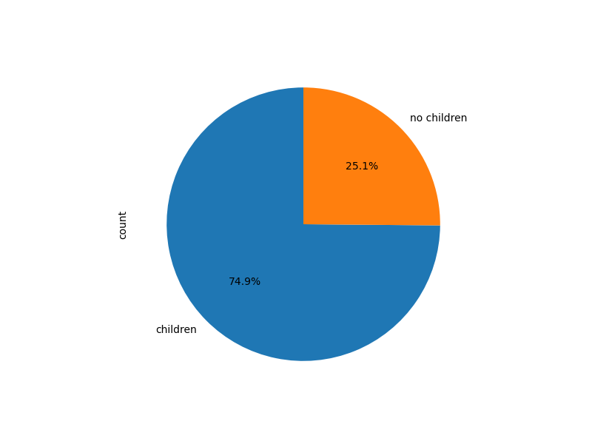

Key Question 7
What difference can you find in ordering habits of different customer profiles?

Answer
Customers who are middle aged and married with children use Instacart as a grocery shopping tool. Single adults in lower income levels use instacart as a convenience for smaller items such as beverages and alcohol.

Recommendation
Identifying how different customer profiles use the Instacart app allows for targeted promotions and ads.
Depending on what Instacart would like to focus on, such as gaining new customers, giving loyal customers promotions or coupons, or increasing purchases in days and times that see less activity, a few actions should be considered.
Married middle aged adults with children can benefit from bulk purchases or promotions including multiple item purchases. Single adults would benefit from more specific ads and promotions depending on the time of day and week.
Beverage and snack promotions on a weekend night could increase purchases and customer interaction.

7. Recommendations
 |  | Title page

Recommendations

In this tab you should include any recommendations you would made to Instcart in terms of their marketing strategy based on the questions posed in the brief. Every key question has been covered in the Tasks of the Exercises - here you need to add an item - a visualisation or table/crosstable that is showing the answer in the data, acompanied by a comment from you. Please, list the questions below and add the answer underneath.

Question | Answer
Key Question 1
Key Question 2
Key Question 3
Key Question 4
Key Question 5
Key Question 6
Key Question 7

